Info
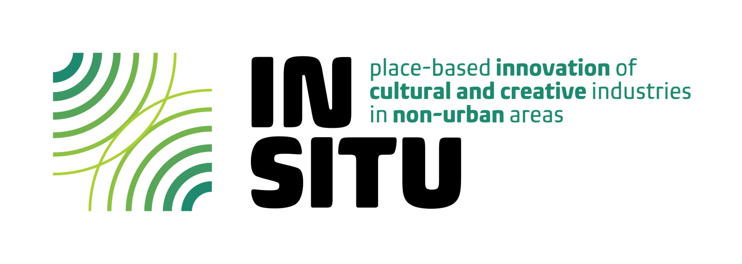

 |  | IN SITU project has received funding from the HORIZON Research and Innovation Actions under Grant Agreement number 101061747

IN SITU Workplan | Work Package | 3
 | Full Title | Place-based planning: Assessing needs, monitoring, supporting and benchmarking of CCIs
 | Lead | European Network of Cultural Centres (ENCC) & University of Galway (UG)
 | Duration | January 2023 - December 2025
 | Objectives | 1. To identify challenges, resources, and the needs in each of the 6 Lab locations and map the CCI ecosystem in each place. 2. To delineate/set-up 12 case studies (2 in each Lab location) to study creative responses to key local issues. 3. To nurture horizontal working networks as sites of experimentation for place-based development involving CCIs and stakeholders in the 6 Lab locations. 4. To monitor and assess the development processes of the case-study projects over the time of the IN SITU project. 5. Monitor and assess changes observed in the CCIs ecosystem, including identifying the medium-term effects of the COVID-19 pandemic crisis on the CCIs and impacts of the IN SITU’s case studies for the CCIs.
 | Database-related Task | 3.2 - Setting-up case studies in each Lab location (Lead: ENCC, Participants: UG, CES, KNF, UAc, UTU, LKA, BIFROST)
 | Database-related Research Report | Deliverable 3.2 (D3.2) - Case studies
 | Task Description | A survey of local CCI agents and organizations will be implemented by each local partner, which will follow up from the community-engaged process to identify local issues (Task 3.1) and focus on ways in which local CCI’s can address these issues creatively. The survey results will be summarized and analyzed as a dataset to identify themes and patterns, including the gender dimension. This will be followed up by a participatory workshop in each Lab location involving a selected number of CCIs from the locale (e.g., 6 to 8) (changed during the project development - Horizontal Networks members were involved instead of CCIs in order to avoid conflicts of interest) who will discuss the findings from the survey in more depth and assess the most valuable inputs and actors to address the needs of the community. The design of the survey and the workshops will also be informed by the results from WP1 and WP2, and will also take into account two thematic strands of particular interest within IN SITU: ‘Cross-sectoral collaborations’ and ‘Creative and small-scale culture-based tourism’ (changed during the project development - four thematic strands were considered instead: cross-sectoral collaboration; intra-sectoral collaboration; activating communities; sustainability - human, social, environmental, economic, artistic). A result of the workshops will be the setting-up of 12 case studies to be studied and monitored by IN SITU (2 projects in each Lab locale).

Database Team | Principal Researcher | Piotr Michalowski Sara Turra
 | Team Members | Martina Fraioli

Database Information | Details | Data sheet: Data on 40 CCIs (name, location, type of organisation, description, contacts and website) and related project ideas (place-based issue and thematic strands the project responds to, status of the project, EU funding, Project objectives related with the identified place-based issue and thematic strand, project activities, transformative effect, innovation, and project partners) located in the six IN SITU Lab areas (Azores archipelago, Portugal; Western coastal periphery, Ireland; West region, Iceland, Rauma and Eurajoki, West Coast and Baltic Sea archipelago, Finland; Valmiera county, Latvia; Šibenik-Knin County, Croatia) that gave permission for the public disclosure of their data, out of a total of 42 CCIs that responded to the survey. Case Studies sheet: 12 projects (2 per Lab) identified among the 42 CCIs that responded the survey to become IN SITU case studies with the objective of generating transformative effects at local level and strengthening internal capacity, and of studyingto study creative responses to key local issues. Gender Dimension sheet: Gender information in aggregated form on survey respondents.

 | Source | Respondents to the survey launched as part of the IN SITU activities and open for answers between May 11 - June 7, 2023.

For any inquiry on this database, please contact in-situ@ces.uc.pt

